System Calibration manager
Calibration Procedure
1 | calibration | In general, the calibration describes the process of determining the deviations of a physical quantity with regard to a reference. For the VT System modules, calibration means the comparison of the current values of the physical quantity under consideration with the accuracy ranges of the VT System manual. This will show with sufficient confidence whether a VT System module complies with the specified accuracy values or not
2 | Adjustment | In general, an adjustment is considered to be an intervention on the device where a mechanical or electrical modification or a modification via software is carried out to reduce deviations. For VT system modules, adjustment means storing correction factors so that the new current value of a physical quantity remains within the specified deviation range for the duration of the operation. The new current value of a physical quantity remains within the specified deviation range throughout the entire range of values in the VT system manual. value range of the VT system manual. If a VT channel is within the specification after calibration, an adjustment is not necessary. If a VT channel is outside the specification after calibration, an adjustment must be made.
3 | the System Calibration Manager | The VT System Calibration Manager is a stand-alone utility that is installed with CANoe. It allows to manage the setting of the VT system modules and to perform a self-test for specific VT system modules. This program can be launched from the CANoe menu detailed below below: Hardware | Tools | VT System Calibration Manager. In the same way as CANoe, the VT System Calibration Manager uses an ETH interface for an exclusive access to the VT System. The LAN cable used, must be connected directly to the backplane. After a scan of the VT System, the adjustable VT System modules in the tree view of the VT System Calibration Manager are shown in black. VT System modules without adjustment possibilities are shown in grey.
 | External calibration | With the help of the external calibration, a test can be performed to show to what extent a VT System module and its values comply with the specified maximum deviations of the VT System manual. For this, a specific and limited wiring loom must be established as documented in the document VTSystem_Calibration_TestSpecification_EN.pdf. The document can be found in the CANoe installation directory, in the Doc subfolder. Below, an excerpt of this document is shown in order to explain the measurement setup for a channel. The external calibration is also supported by the document VTSystem_Calibration_TestProtocol.xls which provides a separate spreadsheet for every adjustable VT System module where measuring points are defined and where measured values can be entered. The table provides, through stored tests, the information on the compliance with the specified deviation or on the possibly required adjustment for the tested VT System module. If it is necessary to adjust a VT channel (VT System module), the export of the current correction parameters from the VT System module is required as a first step. Afterwards, the values can be saved as XML file with the extension *.vtparam by the VT System Calibration Manager.
4 | calculation of the factors | 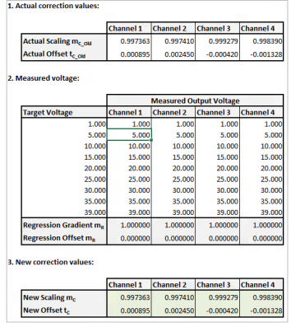 For the calculation of the new correction factors, new measurements have to be performed; the existing wiring loom can be used for this. As soon as new measuring values are entered, the correction parameters are recalculated.
6 | Calibrate the Device | 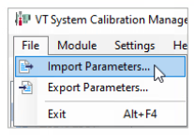 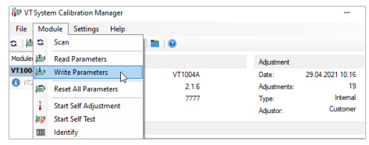 After having measured the channels of a VT System module, the new correction parameters can be stored in an XML file The following import of the XML file by the VT System Calibration Manager allows the parameter transfer into the VT System module (see figure: Writing of new correction parameters). The effectiveness of the measures must be ensured by a new calibration. If the measure is successful, the values are within the specified deviation range.
7 | Self adjustment | 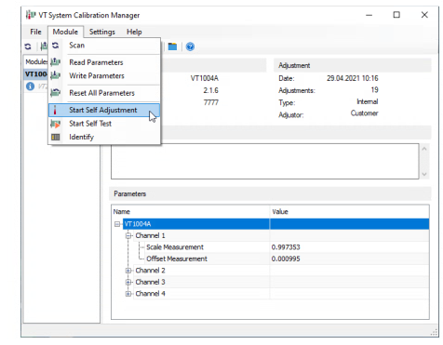 Some of the VT System modules are provided with additional circuits to perform a self-adjustment. For this, the external wiring on the respective VT System module must be removed before starting the test. With the help of the VT System Calibration Manager, the self-adjustment which automatically writes new correction parameters into the corresponding VT System module can be started.

